Customer Test Plan
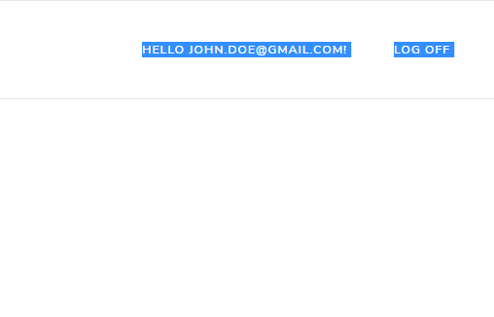
TEST PLAN (This section needs to be completed before your Tests) |  |  |  |  | TEST LOG (This section is to be completed after each of your Tests)
Test Number | Test Preconditions/Prerequisites | Test Description | Expected Results | Test Data | Actual Results | Actual Results match Expected? (Yes/No) | Comments / Corrective Action Required
1 | Customer account is registered with these credentials: Email - customer1@mail.com Password- Pass@word1 | Testing Sign In of a registered customer, with correct credentials | Customer is successfully signed in, notification is briefly displayed, customer name is displayed in the navbar, customer account link is visible, logout link is visible | Customer sign in page - email entered is customer1@mail.com with password Pass@word1 | Customer logged in successfully | yes
2 | Customer account is registered with these credentials: Email - customer1@mail.com Password- Pass@word1 | Testing Sign In of a registered customer, with correct email, incorrect password | Error message is displayed - Email or password is incorrect | Customer sign in page - email entered is customer1@mail.com with password B@dPassword1 | Customer is shown error message | yes
3 | Customer account is registered with these credentials: Email - customer1@mail.com Password- Pass@word1 | Testing Sign In of a registered customer, with incorrect email, correct password | Error message is displayed - Email or password is incorrect | Customer sign in page - email entered is no1customer@mail.com with password Pass@word1 | Customer is shown error message | yes
4 | Customer account is registered with these credentials: Email - customer1@mail.com Password- Pass@word1 | Testing Sign In of a registered customer, with incorrect email, incorrect password | Error message is displayed - Email or password is incorrect | Customer sign in page - email entered is someone@mail.com with password noPassword@2 | Customer is shown error message | yes
5 | Customer is Signed In | Testing Logout of a Signed In Customer | Notification is displayed - Succesfully signed out. Sign In and Signup links are visible in the navbar, no access to a customer account page | Navbar - Logout link clicked | Customer is logged out | yes
6 | Customer is not currently registered | Sign Up of a new Customer | Account is created - Customer is able to Sign In | Data to be entered on the Signup page - First Name - Joe, Last Name - Doe, Email address - john.doe@mail.com, Password - Pass@word1, Confirm Password - Pass@word1, Click signup - go to sign in page and sign in with credentials used to sign up | Account created successfully | yes
7 | Customer is signed in | Customer adds new delivery address | Delivery address is added and displayed on your addresses page | Page Account -> Your addresses -> Add Address link -> Enter Name -John Doe Street address - Flat 8b London road 22 City/Town - London Post Code - L23 W2A
8 | Customer is signed in | Customer edits Login & Security details - Email | Email is updated | Page Account -> Login & Security -> Press Edit on email row -> enter new email -> press Update
9 | Customer is signed in | Customer edits Login & Security details - Name | Name is updated | Page Account -> Login & Security -> Press Edit on email row -> enter new name -> press Update
10 | Customer is singed in | Customer edits Login & Security details - Phone number | Phone number is updated | Page Account -> Login & Security -> Press Edit on email row -> enter new phone number -> press Update
11
12
13
14
15
16

 | Test 1



 | Test 2.
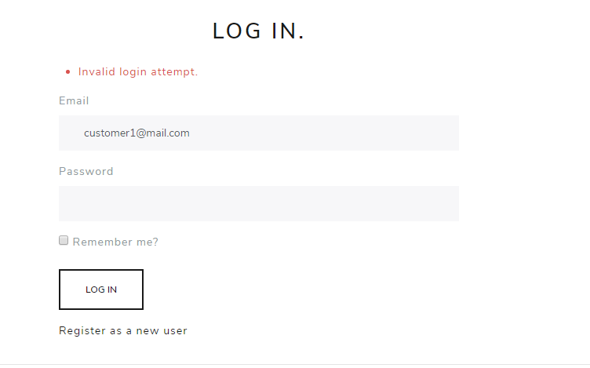

 | Test 3.

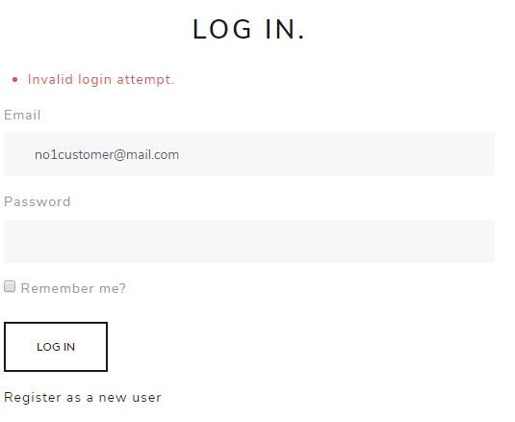

 | Test 4

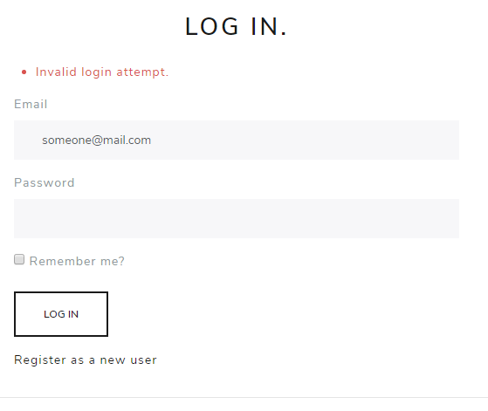

 | Test 5 - Before and After


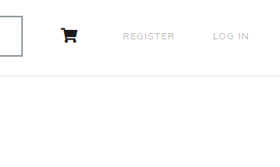

 | Test 6

Administrator Test Plan
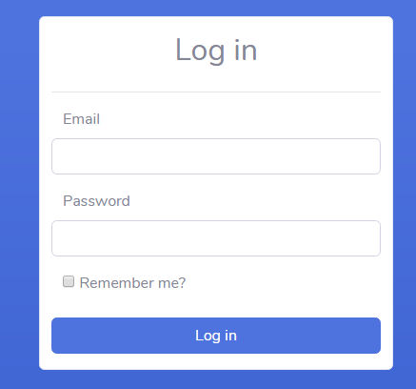
TEST PLAN (This section needs to be completed before your Tests) |  |  |  |  | TEST LOG (This section is to be completed after each of your Tests)
Test Number | Test Preconditions/Prerequisites | Test Description | Expected Results | Test Data | Actual Results | Actual Results match Expected? (Yes/No) | Comments / Corrective Action Required
1 | Administrator account is present with these credentials: Email - admin@mail.com Password- Pass@word1 | Testing Administrator Sign In, with correct credentials | Administrator is successfully signed in and redirected to dashboard. | Administrator sign in page - credentials entered: Email - admin@gmail.com Password- Pass@word1 | Admin logged in | yes
2 | Administrator account is present with these credentials: Email - admin@mail.com Password- Pass@word1 | Testing Administrator Sign In, with correct email, incorrect password | Error message is displayed - Email or password is incorrect | Administrator sign in page - credentials entered: Email - admin@gmail.com Password- Pass@word123 | Message displayed | yes
3 | Administrator account is present with these credentials: Email - admin@mail.com Password- Pass@word1 | Testing Administrator Sign In, with incorrect email, correct password | Error message is displayed - Email or password is incorrect | Administrator sign in page - credentials entered: Email - administrator@gmail.com Password- Pass@word1 | Message displayed | yes
4 | Administrator account is present with these credentials: Email - admin@mail.com Password- Pass@word1 | Testing Administrator Sign In, with incorrect email, incorrect password | Error message is displayed - Email or password is incorrect | Administrator sign in page - credentials entered: Email - administrator@gmail.com Password- Pass@word12345 | Message displayed | yes
5 | Administrator account is present with these credentials: Email - admin@mail.com Password- Pass@word1 === Customer account is present with credentials test@gmail.com - Pass@word1 | Testing if customer is able to login | Login page is displayed on attempted login | Administrator sign in page - credentials entered: Email - test@gmail.com - Password- Pass@word1 | Login page is displayed on attempted login | yes
6 | Administrator is Signed In | Testing Logout of a Signed In Administator | Administrator is signed out and redirected to login page | Navbar - Logout link clicked | Admin logged out | yes
7 | Administrator is Signed In | Testing adding new employee | Employee is added to the list, Newly added employee is able to use/sign into Warehouse application | Page Add new Employee -> values entered ( * Id is autogenerated) First name : Jack, Last Name: Sparrow, Password: P@ssword1, Confirm Password: P@ssword1, Tasks selected: all, -> Press Add Employee
8 | Administrator is Signed In - employee is present, Name: Jack Black, Current Password: P@ssword1 | Testing changing employee password | Employee password is chaged, Employee is able to sign into warehouse application with a new password, old password is invalid | View all employees page -> Select employee Jack Black -> Press Edit -> Press Reset Password -> Enter Password: newP@ssword1 , Confirm Password: newP@ssword1 -> Press Update Password
9 | Administrator is Signed In | Add new Item to the catalog | Item is added to the catalog with corresponding details -> Item Title: Bose B5 Speakers, Item Description: Awesome Speakers blablabla, Price: 499.00, Category: Speakers, ImageURI: bose-b5-speakers.png | Add new item page -> Enter following Details Item Title: Bose B5 Speakers, Item Description: Awesome Speakers blablabla, Price: 499.00, Category: Speakers, ImageURI: bose-b5-speakers.png -> press Add Item
10
11

 | test 2

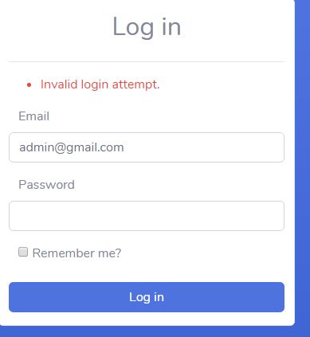

 | test 3

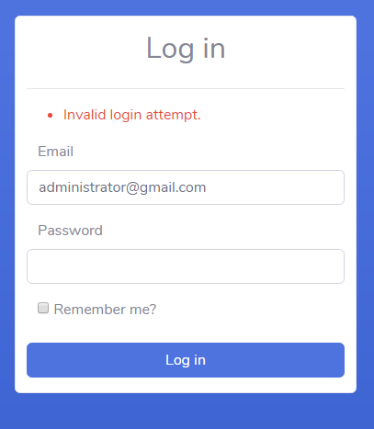

 | test 4

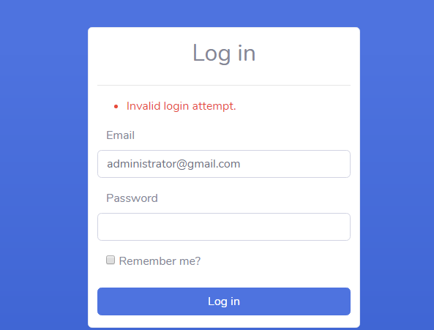

 | test 5

